Specification
 |  |  |  |  |  |  |  |  |  |  |  |  | 3303
SEASON | ARTICLE | IMAGE | COLOR CODE | COLOR DESCRIPTION | DESCRIPTION | SUPPLIER DESCRIPTION | COMPOSITION | MADE IN | GENDER | BRAND | RRP | WHS | QTY | TU | XS | S | M | L | XL | XXL | 3XL | S/M | L/XL | 38 | 40 | 42 | 44 | 46 | 48 | 50 | 52 | 54 | 56
FW 2025/2026 | 53501783 | 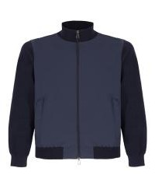 | 730 | BLU SCURO | SWEATSHIRT | APERTO C/ZIP JOLIET POWER-FLEX (243) | 100% WOOL | BANGLADESH | MALE | ARMATA | €125 | €41 | 227 |  |  |  | 43 | 45 | 41 | 44 | 54
FW 2025/2026 | 53521072 | 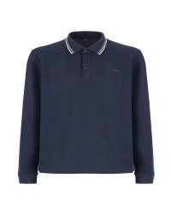 | 410 | GRIGIO | POLO LONG SLEEVE | POLO M/L STARK PIQUET STRETCH (330) | 95% COTTON 5% ELASTANE | BANGLADESH | MALE | ARMATA | €63 | €20 | 131 |  |  |  | 25 | 18 | 14 | 31 | 43
FW 2025/2026 | 53521072 |  | 37 | MILITARE | POLO LONG SLEEVE | POLO M/L STARK PIQUET STRETCH (330) | 95% COTTON 5% ELASTANE | BANGLADESH | MALE | ARMATA | €63 | €20 | 98 |  |  |  | 19 | 17 | 6 | 22 | 34
FW 2025/2026 | 53521072 |  | 730 | BLU SCURO | POLO LONG SLEEVE | POLO M/L STARK PIQUET STRETCH (330) | 95% COTTON 5% ELASTANE | BANGLADESH | MALE | ARMATA | €63 | €20 | 66 |  |  |  | 19 | 1 | 5 | 16 | 25
FW 2025/2026 | 53501786 | 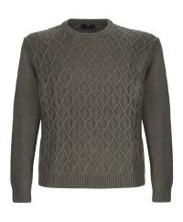 | 37 | MILITARE | JUMPER | GIROCOLLO WILKES PUNTO NORVEGESE/MAGLIA RASATA | 80% LYCRA 20% NYLON | BANGLADESH | MALE | ARMATA | €111 | €37 | 102 |  |  |  | 6 | 6 | 10 | 37 | 43
FW 2025/2026 | 53501787 | 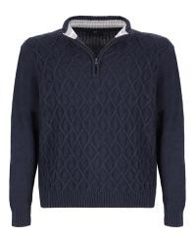 | 730 | BLU SCURO | TURTLENECK | LUPO ZIP STANLEY PUNTO NORVEGESE/MAGLIA RASATA | 80% LYCRA 20% NYLON | BANGLADESH | MALE | ARMATA | €125 | €41 | 89 |  |  |  | 8 | 8 | 8 | 22 | 43
FW 2025/2026 | 53501788 | 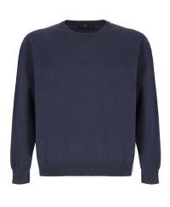 | 730 | BLU SCURO | JUMPER | GIROCOLLO VICTOR MAGLIA RASATA F.12 (67) | 50% WOM 50% ACRYL | BANGLADESH | MALE | ARMATA | €83 | €28 | 51 |  |  |  | 5 | 7 | 5 | 12 | 22
FW 2025/2026 | 53501789 | 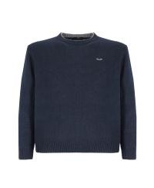 | 730 | BLU SCURO | JUMPER | GIROCOLLO ETIENNE MAGLIA RASATA F.7 (94) | 80% LYCRA 20% NYLON | BANGLADESH | MALE | ARMATA | €111 | €35 | 74 |  |  |  | 7 | 6 | 10 | 23 | 28
FW 2025/2026 | 53501790 | 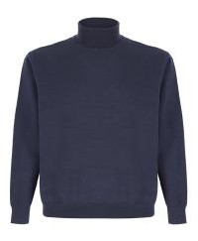 | 730 | BLU SCURO | TURTLENECK | DOLCEVITA BYRD MAGLIA RASATA F.12 | 50% WOM 50% ACRYL | BANGLADESH | MALE | ARMATA | €91 | €30 | 186 |  |  |  | 32 | 18 | 40 | 45 | 51
FW 2025/2026 | 53471101 | 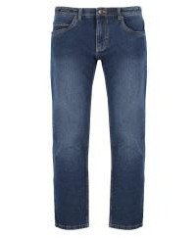 | 1503 | BLU MEDIO | JEANS | 5 TASCHE CABRAL JEANS (41) | 98% COTTON 2% ELASTANE | BANGLADESH | MALE | ARMATA | €83 | €28 | 30 |  |  |  |  |  |  |  |  |  |  |  |  |  |  |  |  |  | 2 | 10 | 18
FW 2025/2026 | 5337221 | 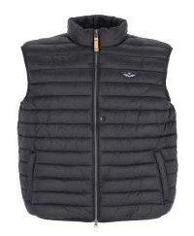 | 798 | BLU CHIARO | GILET | GILET CABOTO NYLON | 100% POLYAMID | MYANMAR | MALE | ARMATA | €99 | €33 | 129 |  |  |  | 28 | 18 | 25 | 32 | 26
FW 2025/2026 | 5337221 |  | 37 | MILITARE | GILET | GILET CABOTO NYLON | 100% POLYAMID | MYANMAR | MALE | ARMATA | €99 | €33 | 93 |  |  |  | 14 | 24 | 21 | 16 | 18
FW 2025/2026 | 5337221 |  | 730 | BLU SCURO | GILET | GILET CABOTO NYLON | 100% POLYAMID | MYANMAR | MALE | ARMATA | €99 | €33 | 92 |  |  |  | 16 | 24 | 25 | 14 | 13
FW 2025/2026 | 5337221 |  | 7 | NERO | GILET | GILET CABOTO NYLON | 100% POLYAMID | MYANMAR | MALE | ARMATA | €99 | €33 | 49 |  |  |  | 7 | 12 | 15 | 6 | 9
FW 2025/2026 | 5337221 |  | 410 | GRIGIO | GILET | GILET CABOTO NYLON | 100% POLYAMID | MYANMAR | MALE | ARMATA | €99 | €33 | 46 |  |  |  | 9 | 6 | 7 | 11 | 13
FW 2025/2026 | 5337221 |  | 120 | MORO | GILET | GILET CABOTO NYLON | 100% POLYAMID | MYANMAR | MALE | ARMATA | €99 | €33 | 48 |  |  |  | 6 | 8 | 11 | 10 | 13
FW 2025/2026 | 5337221R | 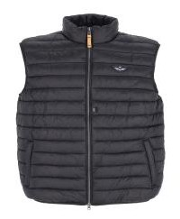 | 37 | MILITARE | GILET | GILET CABOTO 2 NYLON 390T (13) | 100% POLYAMID | MYANMAR | MALE | ARMATA | €99 | €33 | 5 |  |  |  |  | 4 | 1
FW 2025/2026 | 5337221R |  | 7 | NERO | GILET | GILET CABOTO 2 NYLON 390T (13) | 100% POLYAMID | MYANMAR | MALE | ARMATA | €99 | €33 | 4 |  |  |  | 4
FW 2025/2026 | 5337221R |  | 730 | BLU SCURO | GILET | GILET CABOTO 2 NYLON 390T (13) | 100% POLYAMID | MYANMAR | MALE | ARMATA | €99 | €33 | 2 |  |  |  | 2
FW 2025/2026 | 53501782 | 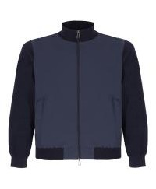 | 730 | BLU SCURO | GILET | GILET DRAKE POWER-FLEX (235) | 100% WOOL | BANGLADESH | MALE | ARMATA | €111 | €35 | 224 |  |  |  | 44 | 37 | 43 | 51 | 49
FW 2025/2026 | 53471102 | 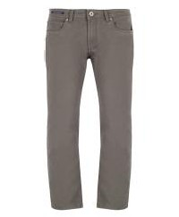 | 37 | MILITARE | PANTS | 5 TASCHE CORTES BULL STRETCH (193) | 98% COTTON 2% ELASTANE | BANGLADESH | MALE | ARMATA | €83 | €28 | 111 |  |  |  |  |  |  |  |  |  |  |  |  |  |  |  | 16 | 11 | 19 | 25 | 40
FW 2025/2026 | 53471102 |  | 730 | BLU SCURO | PANTS | 5 TASCHE CORTES BULL STRETCH (193) | 98% COTTON 2% ELASTANE | BANGLADESH | MALE | ARMATA | €83 | €28 | 79 |  |  |  |  |  |  |  |  |  |  |  |  |  |  |  | 7 | 12 | 13 | 16 | 31
FW 2025/2026 | 53471103 | 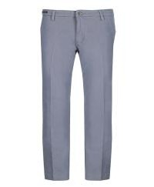 | 410 | GRIGIO | PANTS | CHINO HUDSON TWILL STRETCH (99) | 98% COTTON 2% ELASTANE | BANGLADESH | MALE | ARMATA | €83 | €28 | 49 |  |  |  |  |  |  |  |  |  |  |  |  |  |  |  |  | 2 | 9 | 12 | 26
FW 2025/2026 | 53471103 |  | 730 | BLU SCURO | PANTS | CHINO HUDSON TWILL STRETCH (99) | 98% COTTON 2% ELASTANE | BANGLADESH | MALE | ARMATA | €83 | €28 | 46 |  |  |  |  |  |  |  |  |  |  |  |  |  |  |  | 4 | 2 | 5 | 10 | 25
FW 2025/2026 | 53471104 | 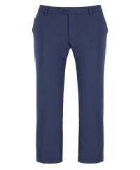 | 730 | BLU SCURO | PANTS | CHINO POLY-ELA | 12% ELASTANE 88% POLYAMID | BANGLADESH | MALE | ARMATA | €91 | €30 | 86 |  |  |  |  |  |  |  |  |  |  |  |  |  |  |  | 9 | 8 | 15 | 23 | 31
FW 2025/2026 | 53471105 | 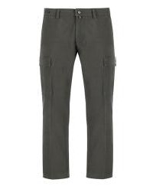 | 37 | MILITARE | PANTS | CARGO HEDIN HERRINGBONE (140) | 98% COTTON 2% ELASTANE | BANGLADESH | MALE | ARMATA | €91 | €30 | 140 |  |  |  |  |  |  |  |  |  |  |  |  |  |  |  | 17 | 19 | 19 | 38 | 47
FW 2025/2026 | 53471106 | 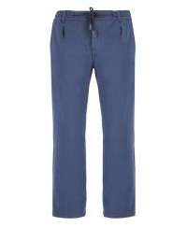 | 730 | BLU SCURO | PANTS | CHINO MACKENZIE JERSEY STRETCH (79) | 65% COTTON 29% POLYESTER 6% ELASTANE | BANGLADESH | MALE | ARMATA | €91 | €30 | 76 |  |  |  |  |  |  |  |  |  |  |  |  |  |  |  | 7 | 10 | 13 | 24 | 22
FW 2025/2026 | 5331639 | 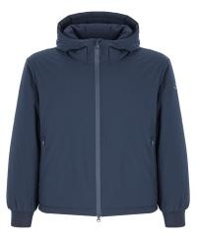 | 730 | BLU SCURO | DOWN JACKET | GIUBBINO MAGELLANO POLY STRETCH (95) | 100% POLYESTER | MYANMAR | MALE | ARMATA | €195 | €63 | 87 |  |  |  | 14 | 20 | 14 | 19 | 20
FW 2025/2026 | 5331640 | 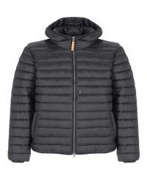 | 37 | MILITARE | DOWN JACKET | GIUBBINO GAMA NYLON (455) | 100% POLYAMID | MYANMAR | MALE | ARMATA | €119 | €39 | 108 |  |  |  | 13 | 27 | 21 | 28 | 19
FW 2025/2026 | 5331640 |  | 798 | BLU CHIARO | DOWN JACKET | GIUBBINO GAMA NYLON (455) | 100% POLYAMID | MYANMAR | MALE | ARMATA | €119 | €39 | 71 |  |  |  | 12 | 8 | 10 | 16 | 25
FW 2025/2026 | 5331640 |  | 730 | BLU SCURO | DOWN JACKET | GIUBBINO GAMA NYLON (455) | 100% POLYAMID | MYANMAR | MALE | ARMATA | €119 | €39 | 56 |  |  |  | 6 | 5 | 12 | 21 | 12
FW 2025/2026 | 5331640 |  | 7 | NERO | DOWN JACKET | GIUBBINO GAMA NYLON (455) | 100% POLYAMID | MYANMAR | MALE | ARMATA | €119 | €39 | 46 |  |  |  | 8 | 8 | 13 | 11 | 6
FW 2025/2026 | 5331640 |  | 410 | GRIGIO | DOWN JACKET | GIUBBINO GAMA NYLON (455) | 100% POLYAMID | MYANMAR | MALE | ARMATA | €119 | €39 | 36 |  |  |  | 5 | 5 | 5 | 7 | 14
FW 2025/2026 | 5331640 |  | 120 | MORO | DOWN JACKET | GIUBBINO GAMA NYLON (455) | 100% POLYAMID | MYANMAR | MALE | ARMATA | €119 | €39 | 21 |  |  |  | 1 | 4 | 3 | 4 | 9
FW 2025/2026 | 5331640R |  | 730 | BLU SCURO | DOWN JACKET | GIUBBINO GAMA 2 NYLON 390T | 100% POLYAMID | MYANMAR | MALE | ARMATA | €119 | €39 | 16 |  |  |  | 1 |  | 3 | 6 | 6
FW 2025/2026 | 5331640R |  | 7 | NERO | DOWN JACKET | GIUBBINO GAMA 2 NYLON 390T | 100% POLYAMID | MYANMAR | MALE | ARMATA | €119 | €39 | 17 |  |  |  | 1 |  | 4 | 4 | 8
FW 2025/2026 | 5331640R |  | 410 | GRIGIO | DOWN JACKET | GIUBBINO GAMA 2 NYLON 390T | 100% POLYAMID | MYANMAR | MALE | ARMATA | €119 | €39 | 14 |  |  |  | 4 | 1 | 4 | 1 | 4
FW 2025/2026 | 5331640R |  | 37 | MILITARE | DOWN JACKET | GIUBBINO GAMA 2 NYLON 390T | 100% POLYAMID | MYANMAR | MALE | ARMATA | €119 | €39 | 12 |  |  |  | 4 | 4 | 2 | 1 | 1
FW 2025/2026 | 5331640R |  | 798 | BLU CHIARO | DOWN JACKET | GIUBBINO GAMA 2 NYLON 390T | 100% POLYAMID | MYANMAR | MALE | ARMATA | €119 | €39 | 10 |  |  |  | 4 |  | 3 | 3
FW 2025/2026 | 5331641 | 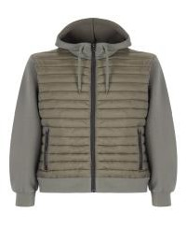 | 37 | MILITARE | DOWN JACKET | GIUBBINO COLOMBO INTERLOCK (222) | 69% POLYESTER 25% VISCOSE 6% ELASTANE | MYANMAR | MALE | ARMATA | €138 | €45 | 102 |  |  |  | 21 | 3 | 17 | 27 | 34
FW 2025/2026 | 5331641 |  | 730 | BLU SCURO | DOWN JACKET | GIUBBINO COLOMBO INTERLOCK (222) | 69% POLYESTER 25% VISCOSE 6% ELASTANE | MYANMAR | MALE | ARMATA | €138 | €45 | 101 |  |  |  | 16 | 19 | 12 | 23 | 31
FW 2025/2026 | 5331642 | 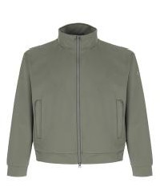 | 37 | MILITARE | DOWN JACKET | GIUBBINO ERIKSON ACTIVE STRETCH (242) | 100% POLYESTER | MYANMAR | MALE | ARMATA | €139 | €47 | 137 |  |  |  | 26 | 17 | 18 | 32 | 44
FW 2025/2026 | 5331642 |  | 730 | BLU SCURO | DOWN JACKET | GIUBBINO ERIKSON ACTIVE STRETCH (242) | 100% POLYESTER | MYANMAR | MALE | ARMATA | €139 | €47 | 89 |  |  |  | 18 | 9 | 13 | 21 | 28
FW 2025/2026 | 5332633 | 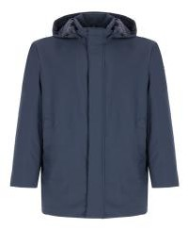 | 730 | BLU SCURO | COAT | GIACCONE VESPUCCI OUTSTRETCH (54) | 88% POLYAMID 12% ELASTANE | MYANMAR | MALE | ARMATA | €265 | €83 | 47 |  |  |  | 6 | 12 | 7 | 9 | 13

